Card fraud
Sources
https://www.ecb.europa.eu/pub/cardfraud/html/ecb.cardfraudreport201809.en.html

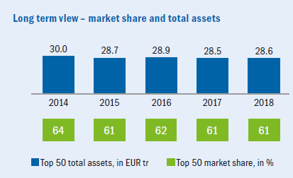
Market share
 |  |  | ZEB european study 2019
Deutsche total assets (bn) | €1,298
Top 50 banks total assets (bn) | €28,600
top 50 market share in % | 61%
Total market (bn) | 46,885 €
Deutsche Market share | 2.77%

Fraudulent transactions SEPA

Total Volume of transactions | € 4,380,000,000,000
Fraud Volumes | € 1,800,000,000
Card fraud | 0.04%
 | (or 4p per 100EUR)

Loss from Fraud and prevention 2020-2025

 | 2016 | Deutsche loss from fraudulent activities (2020) | Prevention of loss under assumptions | Deutsche loss from frauduluent activities (2020-2025) | Prevention of loss under assumptions (2020-2025)
Fraud Type |  | 2.77% | 30.00% | 5 years | 5 years
Total fraud cards issued in SEPA | € 1,800,000,000 | € 49,832,308 | € 14,949,692 | € 249,161,538 | € 74,748,462
Remote Purchase (CNP) i.e. internet, post or telephone | € 1,314,000,000 | € 36,377,585 | € 10,913,275 | € 181,887,923 | € 54,566,377
at POS terminals | € 342,000,000 | € 9,468,138 | € 2,840,442 | € 47,340,692 | € 14,202,208
at ATM's | € 144,000,000 | € 3,986,585 | € 1,195,975 | € 19,932,923 | € 5,979,877
Total | € 1,800,000,000 | € 49,832,308 | € 14,949,692 | € 249,161,538 | € 74,748,462

Other info

